Random Variable x
Mean and Standard Deviation Approximation of a random variable x |  |  |  |  | Discrete Probability Distribution (FREQUENCY) |  |  |  |  | Binomial Probability Distribution Function. p, n, x |  |  |  | BINOM.DIST bool is false if we only want to find exactly x number of. We change to true if we want x or fewer or if it's continuous |  |  |  | Poisson Distribution
 |  | mean -> | 1.6335 |  |  |  |  |  |  | N -> | 54 |  |  | (x, n, p, bool) | if it's P(x < 3) then x cell val must be 2 |  |  | lambda -> | 2
 |  | sum of X^2 * P(x) -> | 4.0903 | ctrl + d | Frequency Sum | 25869 |  |  |  | p -> | 0.0932 |  |  |  |  |  |  | t -> | 3 |  | ANS ->
 |  | SQRT(SUM(X^2 * P(x)) - mean ^2 -> | 1.1924670855 | lazst cell un col = cmd down arrow | Mean | 3.7699949747 |  |  |  | x -> | 53 | binom distribution | 0.000000000000000000000 | BINOM -> | 0.1937102445 |  | mean (lambda * t) -> |  | 6
 |  |  |  | ty =] | Standard Deviation | 1.3818272126 |  |  |  | cont | FALSE
x | P(x) | x * P(X) | x^2 * P(x) | comma to remove sscientific notation | X | Frequency(x) | P(x) | x * P(x) | x^2 * P(x) |  |  |  |  |  |  |  |  | x -> | 6
0 | 0.1663 | 0 | 0 | make tabs | 1 | 2492 | 0.096331516487 | 0.096331516487 | 0.096331516487 |  |  |  |  |  |  | for ans use (x, mean) |  | ANS -> | 0.16062314105
1 | 0.342 | 0.342 | 0.342 | equals = if | 2 | 2941 | 0.11368819823 | 0.22737639646 | 0.45475279292 | Between X and Y |  | Mu sub X (n * p) ->
2 | 0.2766 | 0.5532 | 1.1064 | diff between countif countifs | 3 | 4582 | 0.17712319765 | 0.53136959295 | 1.5941087788 | 2.4399573321E-147 |  | n | 400 |  |  |  |  | Poisson v2
3 | 0.1496 | 0.4488 | 1.3464 |  | 4 | 3864 | 0.14936796938 | 0.59747187754 | 2.3898875101 | 1.293744818E-144 |  | p | 0.57 |  |  |  |  |  | lambda -> | 37
4 | 0.038 | 0.152 | 0.608 |  | 5 | 11,990 | 0.46348911825 | 2.3174455912 | 11.587227956 | 3.4213533017E-142 |  |  | 0.57 |  |  |  |  |  | t -> | 106
5 | 0.0275 | 0.1375 | 0.6875 |  |  |  |  |  |  | 6.0168078297E-140 |  | Mean | 228 |  |  |  |  | mean (lambda * t) -> |  | -0.34905660377
 |  | 0 | 0 |  |  | P(x) sum | 1 |  | 16.122308555 | 7.9159502545E-138 |  | Standard Deviation | 9.9015150356
 |  | 0 | 0 |  |  |  |  |  |  | 8.3106432161E-136 |  |  |  |  |  |  |  |  | x -> | 1
 |  | 0 |  |  |  |  |  |  |  | 7.2524857368E-134 |  |  |  |  |  |  |  |  | ANS -> | 0.70535320349
 |  | 0 |  |  |  |  |  |  |  | 5.4111735773E-132
 |  | 0 |  |  |  |  |  |  |  | 3.5237121891E-130
 |  | 0 |  |  |  |  |  |  |  | 2.0344657662E-128
 |  | 0 |  |  |  |  |  |  |  | 1.054468338E-126
 |  | 0 |  |  |  |  |  |  |  | // move horizontally
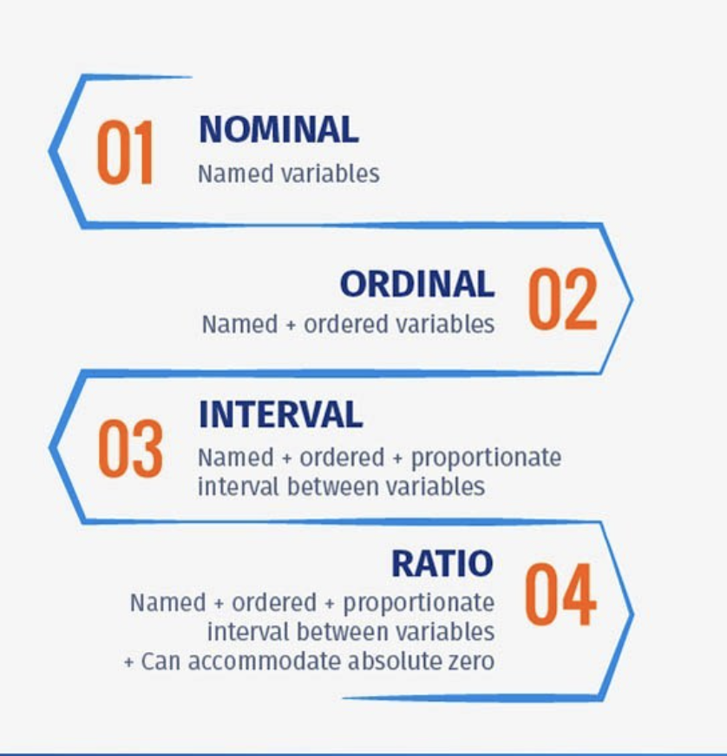
 |  | 0 |  |  |  |  |  |  |  | Construct a binomial probability distribution with the given parameters
 |  | 0 |  |  |  |  |  |  |  | X | Result (Px) | n -> | 6
 |  | 0 |  |  |  |  |  |  |  | 0 | 0.0007 | p -> | 0.7
 |  | 0 |  |  |  |  |  |  |  | 1 | 0.0102
 |  | 0 |  |  |  |  |  |  |  | 2 | 0.0595
 |  | 0 |  |  |  |  |  |  |  | 3 | 0.1852
 |  | 0 |  |  |  |  |  |  |  | 4 | 0.3241
 |  | 0 |  |  |  |  |  |  |  | 5 | 0.3025
 |  | 0 |  |  |  |  |  |  |  | 6 | 0.1176 |  |  | 0.00052703162233
 |  | 0 |  |  |  |  |  |  |  |  |  |  |  | 6.8694292654E-05
 |  | 0 |  |  |  |  |  |  |  | Mean | 4.2 |  |  | 4.2977967712E-06
 |  | 0 |  |  |  |  |  |  |  | Standard Deviation |  | 1.122497216 |  | 0.00060002371176
 |  | 0
 |  | 0
 |  | 0
 |  | 0
 |  | 0
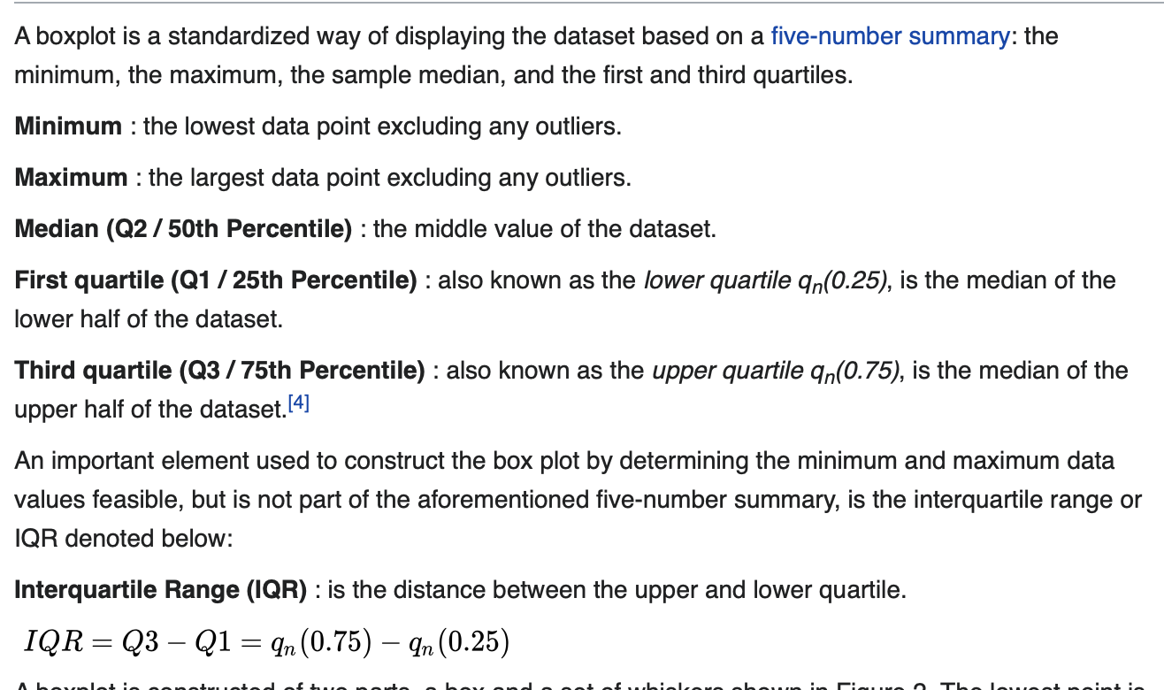
 |  | 0
 |  | 0
 |  | 0
 |  | 0
 |  | 0
 |  | 0
 |  | 0
 |  | 0
 |  | 0
 |  | 0
 |  | 0
 |  | 0
 |  | 0
 |  | 0
 |  | 0
 |  | 0
 |  | 0
 |  | 0
 |  | 0
 |  | 0
 |  | 0
 |  | 0
 |  | 0
 |  | 0
 |  | 0
 |  | 0
 |  | 0
 |  | 0
 |  | 0
 |  | 0
 |  | 0
 |  | 0
 |  | 0
 |  | 0
 |  | 0
 |  | 0
 |  | 0
 |  | 0
 |  | 0
 |  | 0
 |  | 0
 |  | 0
 |  | 0
 |  | 0
 |  | 0
 |  | 0
 |  | 0
 |  | 0
 |  | 0
 |  | 0
 |  | 0
 |  | 0
 |  | 0
 |  | 0
 |  | 0
 |  | 0
 |  | 0
 |  | 0
 |  | 0
 |  | 0
 |  | 0
 |  | 0
 |  | 0
 |  | 0
 |  | 0
 |  | 0
 |  | 0
 |  | 0
 |  | 0
 |  | 0
 |  | 0
 |  | 0
 |  | 0
 |  | 0
 |  | 0
 |  | 0
 |  | 0
 |  | 0
 |  | 0
 |  | 0
 |  | 0
 |  | 0
 |  | 0
 |  | 0
 |  | 0
 |  | 0
 |  | 0
 |  | 0
 |  | 0
 |  | 0
 |  | 0
 |  | 0
 |  | 0
 |  | 0
 |  | 0
 |  | 0
 |  | 0
 |  | 0
 |  | 0
 |  | 0
 |  | 0
 |  | 0
 |  | 0
 |  | 0
 |  | 0
 |  | 0
 |  | 0
 |  | 0
 |  | 0
 |  | 0
 |  | 0
 |  | 0
 |  | 0
 |  | 0
 |  | 0
 |  | 0
 |  | 0
 |  | 0
 |  | 0
 |  | 0
 |  | 0
 |  | 0
 |  | 0
 |  | 0
 |  | 0
 |  | 0
 |  | 0
 |  | 0
 |  | 0
 |  | 0
 |  | 0
 |  | 0
 |  | 0
 |  | 0
 |  | 0
 |  | 0
 |  | 0
 |  | 0
 |  | 0
 |  | 0
 |  | 0
 |  | 0
 |  | 0
 |  | 0
 |  | 0
 |  | 0
 |  | 0
 |  | 0
 |  | 0
 |  | 0
 |  | 0
 |  | 0
 |  | 0
 |  | 0
 |  | 0
 |  | 0
 |  | 0
 |  | 0
 |  | 0
 |  | 0
 |  | 0
 |  | 0
 |  | 0
 |  | 0
 |  | 0
 |  | 0
 |  | 0
 |  | 0
 |  | 0
 |  | 0
 |  | 0
 |  | 0
 |  | 0
 |  | 0
 |  | 0
 |  | 0
 |  | 0
 |  | 0
 |  | 0
 |  | 0
 |  | 0
 |  | 0
 |  | 0
 |  | 0
 |  | 0
 |  | 0
 |  | 0
 |  | 0
 |  | 0

Chapter 10
 | 10.2

 | Population Proportion (Left/Right-Tailed Test) < or > |  |  | Population Proportion (Two-Tailed Test) != |  | If np(1-p) < 10 |  | Population proportoin ( two tailed with multiple sample values) |  |  |  |  |  | Construct confidence interval
 |  |  |  |  |  |  |  | Data | x (mean) | 88.1 | means (u) | 1.68 |  | Dataset | n | 12
 | p-zero % | 0.86 |  | p-zero % | 0.86 | x | 13 | 109 | n | 10 | x-bar (sample mean) | 1.681 |  | 0.077 | mean (u0) - given | 0.15
 | n | 200 |  | x | 893 | n | 48 | 67.3 | mean (x bar) | 79 | s | 0.004 |  | 0.074 | x bar | 0.1515
 | x | 26 |  | n (sample size) | 1000 | p-zero | 57 | 56.1 | 𝜇0 | 88.1 | n | 12 |  | 0.054 | level of significance (alpha) | 0.1
 | a | 0.05 |  | a | 0.05 | Change this ->***new x value | 39 | 73.9 | alpha | 0.05 | a | 0.05 |  | 0.276 | s | 0.092308961886
 | keyword | "is given" |  | keyword | "is given" |  |  | 66.3 | s | 15.214101646 |  |  |  | 0.111
 |  |  |  |  |  | np-zero(1-p-zero) >= 10 | 11.7648 | 82.3 |  |  | Is (n >= 30)? | No |  | 0.174 | t0 | 0.056290877035
 | np(1-p) | 24.1 |  | np(1-p) | 120.40 | np(1-p) >= 10? | TRUE | 93 | Test Statistic | -1.89145093 |  |  |  | 0.112
 | np(1-p) >= 10? | TRUE |  | np(1-p) >= 10? | TRUE |  |  | 85.5 | ^^ sample deviates _ SD below the mean from what is expected under the null hypothesis |  | t-zero (test statistic) | 0.86602540378 |  | 0.214 | p-val | 0.956
 |  |  |  |  |  | p-cap | 0.27083333333 | 71.8 | p-value | 0.091124762651 | P-value | 0.202 | Not statistically significantly higher if >= 0.05 | 0.324 | reject? | TRUE
 | p-cap | 0.13 |  | p-cap (Test statistic value) | 0.893 | z-value |  | 84.8 |  | ^^ change to 1 or 2 depending on tail |  |  |  | 0.099
 |  |  |  | z-zero | 3.007466 |  |  |  | reject (P<a)? | FALSE | Reject null hypothesis? | Do not reject |  |  | confidence interval % | 98
 | z-zero | -29.75 | (do not round up) |  |  | p (less than x) | 1.000 |  |  |  |  |  |  |  | a/2 | 0.05
 |  |  |  | P-value | 0.00270 | P-value( >= ) | 0.000 |  |  |  | impact of large samples on the p-value? As n​ increases, the likelihood of rejecting the null hypothesis increases.​ However, large samples tend to overemphasize practically insignificant differences. |  |  |  | t(a/2) | 1.7958848187
 | P-value | 0.000 |  | Margin of Error +/- |  | P-value ( <= ) | 0.99989936814
 | p>a? | P < a |  |  |  |  |  |  |  |  |  |  |  |  | lower bound | 0.10364451488
 |  | REJECT | if P > A, don't reject. |  |  |  |  |  |  |  |  |  |  |  | upperbound | 0.19935548512

 | Find Lower and Upper Bound |  |  |  |  |  |  |  | A golf association requires that golf balls have a diameter that is 1.68 inches. To determine if golf balls conform to the​ standard, a random sample of golf balls was selected. Their diameters are shown in the accompanying data table. Do the golf balls conform to the​ standards? Use the alphaαequals=0.050.05 level of significanc. |  |  |  |  |  | Look @ video
 |  |  |  | p>a? | P < a
 | x | 494 |  |  | REJECT NULL HYPOTHESIS
 | n | 1195
 | p-zero | 0.4
 | percent (integer) | 99

 | np(1-p) >= 10? | 4.76088

 | a/2 | 0.005
 | critical value (z(a/2)) | 2.5758293035 |  |  |  |  |  |  |  |  |  |  |  |  | use this then go to chapter 9, using mean and s

 | p-cap | 0.41338912134

 | lower bound | 0.38
 | upper bound | 0.45 | round up ex: 0.45 -> 0.46

 | simple random samle has to be < 30 to be normally distributed

 | if the interval (lower, upper) contains the proportion stated in the null hypothesis, there is insufficient evidence toward a changed result

 | IF P-VALUE is less than alpha, reject the null hypothesis
 | IF P-Value is > alpha, do not reject as there is not enough evdence
 | Type I Error: Rejecting null hypothesis (Hsub0) when Hsub0 is true
 | Type II Error: Rejecting Hsub1 when Hsub1 is true. Or not rejecting Hsub0 when Hsub1 is true

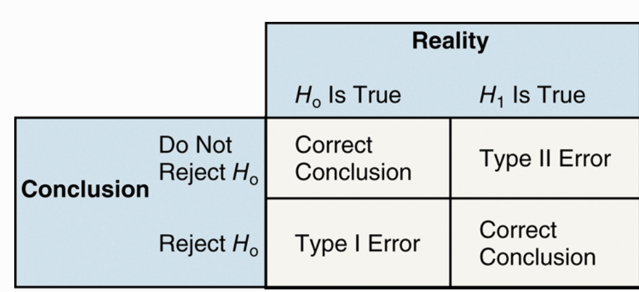
level of significance alpha | α = P(type I error) = P(rejecting Hsub0 when Hsub0 is true)
 | β = P(Type II error) = P(not rejecting H0when H1is true)

 | A​ p-value is the probability of observing the actual​ result, a sample​ mean, for​ example, or something more unusual just by chance if the null hypothesis is true.
 | A​ P-value is the probability of observing a sample statistic as extreme or more extreme than the one observed under the assumption that the statement in the null hypothesis is true.

 | p value = .19
 | If the​ P-value for a particular test statistic is 0.19​, she expects results at least as extreme as the test statistic in about 19 of 100 samples if the null hypothesis is true.
 | since the event is not unusual, don't reject

 | Statistical significance means that the result observed in a sample is unusual when the null hypothesis is assumed to be true.

 | Decision Based on P-value: We will reject the null hypothesis at α level of significance if the P-value ≤ αOtherwise, we do not reject the null hypothesis.

 | Explain the difference between statistical significance and practical significance.
 | Ans: Statistical significance means that the sample statistic is not likely to come from the population whose parameter is stated in the null hypothesis. Practical significance refers to whether the difference between the sample statistic and the parameter stated in the null hypothesis is large enough to be considered important in an application.

Normal Distribution - Z-score
(Make sure to change values for certain individual questions) |  | Area under Normal Curve |  | Less than z1, greater than z2 AKA to the left of z1 to the right of z2 |  |  | Normal Inverse (Percentile) | Middle X% |  | Time Requred, mean, SD, x |  | Calculate Z-score for 2 different scores |  |  | Find val of Zα | (1 - alpha) | Simple Z-score to area |  | Normal Distribution on variable X w/ Mean and SD
Probability of a Normal Random Variable |  |  |  | Left Z | -2 | Ex: The mean incubation time of fertilized eggs is 19 days. Suppose the incubation times are approximately normally distributed with a standard deviation of 1 day. Determine the 11th percentile for incubation times. |  | percentage | 96 | Mean | 15 |  |  |  | α | 0.25 | z-score | 0.44 | X | 119
Mean | 123 | Mean | 1252 | Right Z | 2 |  |  | % -> Proportion | 0.96 | SD | 3 |  | Score A | Score B |  |  |  |  | Mean | 123
Standard Deviation | 11 | Standard Deviation | 129 | Left Z-score | 0.022750131948 | Mean | 1262 |  |  | x (minutes) | 20 | x | 25 | 1229 | Area (1 - α) | 0.75 | Answer | 0.67003144634 | SD | 11
lower | 119 |  |  | Right Z-score | 0.022750131948 | Standard Deviation | 200 | Area in each tail | 0.02 |  |  | mean | 21.4 | 1026 | Zα | 0.674490
upper | 119 | lower bound | 1100 | Result | 0.045500263896 | Percentile | 59 |  |  | Percent(x > time) | 4.7790352273 | SD | 5.1 | 203 |  |  |  |  | P(x <= val) | 0.35806478443
 |  | lower bound z-score | -1.1782945736 |  |  | Proportion of Percentile | 0.59 | lower-tail z-score | -0.50797831372 |  |  | Z-score | 0.70588235294 | 1
mean of x bar | 123 |  |  | Left is negative |  |  |  | upper-tail z-score | 0.50797831372 | Guaranteed Time limit is | 20.642380824 |  |  |  |  |  |  |  | Suppose the lengths of the pregnancies of a certain animal are approximately normally distributed with mean μ=123 days and standard deviation sigma = 11 days.
n | 17 | upper bound | 1400 | right is positive |  | Answer (xth percentile) | 1307.5089953 |  |  | ​for later: (b) If the automotive center does not want to give the discount to more than 55% of its​ customers, how long should it make the guaranteed time​ limit?
SD of x bar | 2.6678918754 | upper bound z-score | 1.1472868217 |  |  |  |  | 0.80642124702

 |  | P(ZsubLower <= lowerbound z-score) | 0.11933959517
 |  | P(ZsubHigher <= upperbound z-score) | 1.5595941023E-22
P(lower <= x <= upper) | 0 |  |  |  |  | X1 (area to the left of the %precentile) | 0.205
p(x < lower) | 0.35806478443 |  | -0.11933959517 |  |  | x2(area of left + percentile) | 0.795 | Middle X% w/ Mean & SD
p (x > upper) | 0.64193521557 |  |  |  |  |  |  | Mean | 1264
 |  | bound | 1175 |  |  | Zsub1 | -0.82389363034 | SD | 116
Percentile (change lower bound) | 35.806478443 | contains more than | 0.72471266756 |  |  | Zsub2 | 0.82389363034 | Percentage | 28
 |  |  |  |  |  |  |  | Proportion | 0.28
 |  | contains more than - use complement (1 - x) |  |  |  | Determine the # of items that make up the middle % (Make sure to change percentile)
 |  | percentile - =norm.dist |  |  |  | X1 (lower-bound) | 1097.2212739 | Middle % | 96
 |  |  |  |  |  | X2 (upper-bound) | 1426.7787261 | middle Proportion | 0.96
 |  | If the z-score is positive, add .5 to the table value

Notes: |  |  |  |  |  | IQR | 269.79590008
The area under normal curve is 1/2 (0.5) |  |  |  |  |  | Q1 | 1127.10205
Must be bell-shaped to be normal distribution |  |  |  |  |  | Q3 | 1396.89795
inflection points - Q1 and Q3
Normal density function - the histogram shape resembles a normal​ curve, and the area of each bar is roughly equal to the area under the normal curve for the same region
As the mean increases, the graph of the normal curve slides right. |  |  |  |  |  |  |  | X (Answer) | 1196.3903852
As the standard deviation decreases, The graph of the normal curve compresses and becomes steeper.
The normal curve is symmetric about its​ mean μ. The normal curve is a symmetric distribution with one​ peak, which means the​ mean, median, and mode are all equal.​ Therefore, the normal curve is symmetric about the​ mean, mu.

μ - population mean
μ bar - sample mean
σ - Population Standard deviation
s - sample standard deviation

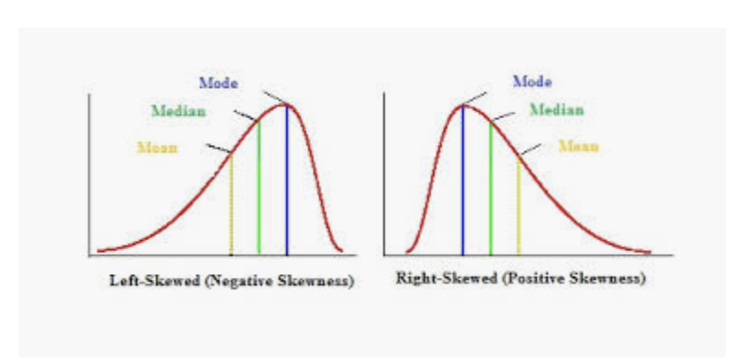

 |  |  |  | Q1 - 25th percentile
 |  |  |  | Q3 - 75th percentile
 |  |  |  | Q2 = median - 50th percentile

in mound shaped histogram, median = mean |  | rght skewed, mean > median
mean is sensitive to large numbers. Median always stays in center of distribution (more robust) |  | Left skewed, mean < median

Binomial Probability
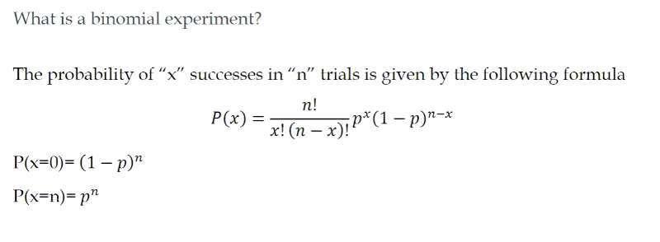
Binomial Probability Distribution Function. p, n, x
x -> | 3
N -> | 9
p -> | 0.6

Binomial Distribution
Exactly (==) | 0.074317824000000030000
Less Than ( < ) | 0.025034752000000014000
Less Than or Equal to (<=) | 0.099352576000000040000
Greater Than (>) | 0.900647424000000000000
Great Than or Equal to (>=) | 0.978766336

 | 0.060466176
 | 0.250822656
 | 0.161243136
 | 0.472531968

The experiment is performed a fixed number of times.
There are two mutually exclusive​ outcomes, success or failure.
The trials are independent.

binomial variables are discrete

